Datailed Inquiry Information
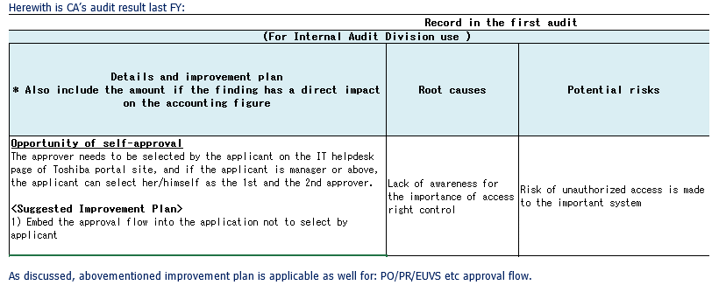
Detailed Inquiry Information

 | PLEASE PROVIDE EVIDENCE OF REQUEST / DETAILS OF REQUEST HERE (IN DETAIL).

 | Changing of EUVS Period From May to June

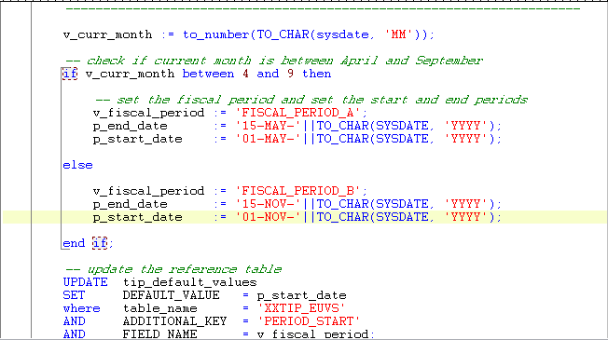

 | Approval For Manager Level (Before)

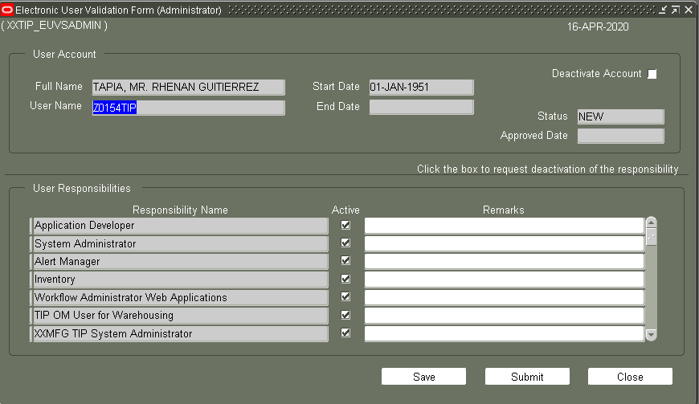

 | To-Be

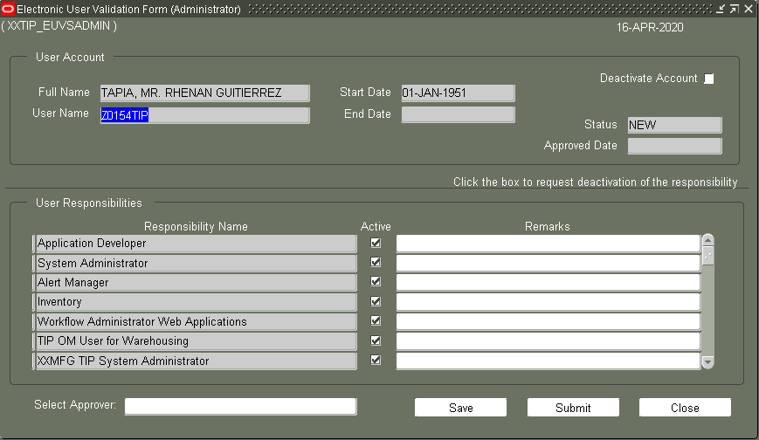

 | Adding Approval

 | JSOX

Detailed Investigation Result
Detailed Investigation Result

 | Modification of Electronic Users Validation System

 | Only logic for Manager is Modified

START
Create and Submit Request
Auto Approve thru Workflow
End

Approve by manager
 |  |  |  | Y

 |  |  |  |  | N

Staff able to submit
Create and Submit Request for staff
 |  |  | N

 |  |  | Y

 | To-Be

Approve Request?
START
Create and Submit Request
Auto Approve thru Workflow
End

Approve by manager
 |  |  |  | Y

 |  |  |  |  | N

Staff able to submit
Create and Submit Request for staff
 |  |  | N

 |  |  | Y

 | UNIT TESTING

 | SETUP OF FORMS

 | Note: Only create new form during testing; will overwrite the file form(.fmb) only during implementation

 | PRS3 AOL Setup Sheet

 | FORMS:

 | FUNCTIONS: | existing responsibility

 | Responsibilities:
 | i used existing reponsibility

 | Menu:
 | i used existing menu

